New Logo
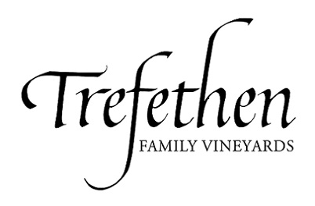

CHECK REQUEST FORM

Payable To: |  |  |  | FROM:
(if new vendor, see below *)
Address (if new):
 |  |  |  | Trefethen Family Winery, LLC

 |  |  |  | Vineyard Entities & Other:

 |  |  |  | TF |  | JJRR

 |  |  |  | TFV |  | Other:

Date Needed: |  |  |  | HV

DESCRIPTION: |  | G/L CODE: |  |  | AMOUNT:
 |  |  |  |  | $-

 |  | TOTAL: |  |  | $-

SPECIAL INSTRUCTIONS: |  |  |  | Mail Check to Payee
 |  |  |  | Federal Express / UPS Check

 |  |  |  | Deliver Check to:

 |  |  | x | Other:

Requestor: |  | * New Vendors - please include remittance address and attach a completed W9 form

Extension:
Date: | 2019-11-14 09:54:35
Supervisor's Approval:

Old Logo
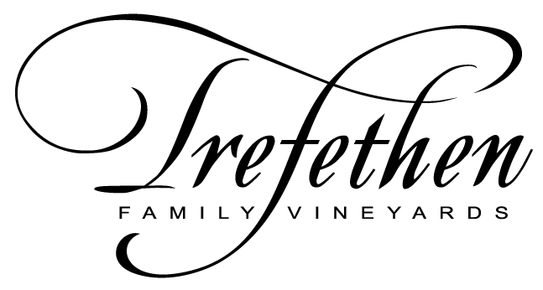

CHECK REQUEST FORM

Payable To: |  |  |  | FROM:
(if new vendor, see below *)
Address (if new):
 |  |  |  | Trefethen Family Winery, LLC

 |  |  |  | Vineyard Entities & Other:

 |  |  |  | TF |  | JJRR

 |  |  |  | TFV |  | Other:

Date Needed: |  |  |  | HV

DESCRIPTION: |  | G/L CODE: |  |  | AMOUNT:
 |  |  |  |  | $-

 |  | TOTAL: |  |  | $-

SPECIAL INSTRUCTIONS: |  |  |  | Mail Check to Payee
 |  |  |  | Federal Express / UPS Check

 |  |  |  | Deliver Check to:

 |  |  | x | Other:

Requestor: |  | * New Vendors - please include remittance address and attach a completed W9 form

Extension:
Date: | 2019-11-14 09:54:35
Supervisor's Approval:

